Script
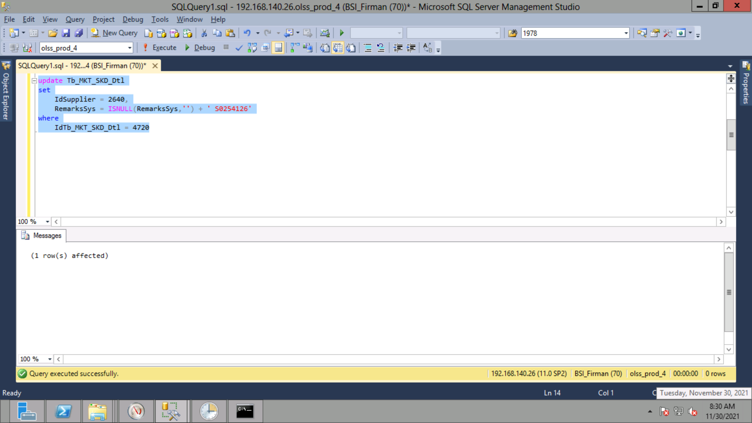
update Tb_MKT_SKD_Dtl
set
 | IdSupplier = 2640,
 | RemarksSys = ISNULL(RemarksSys,'') + ' S0254126'
where
 | IdTb_MKT_SKD_Dtl = 4720

Screenshot
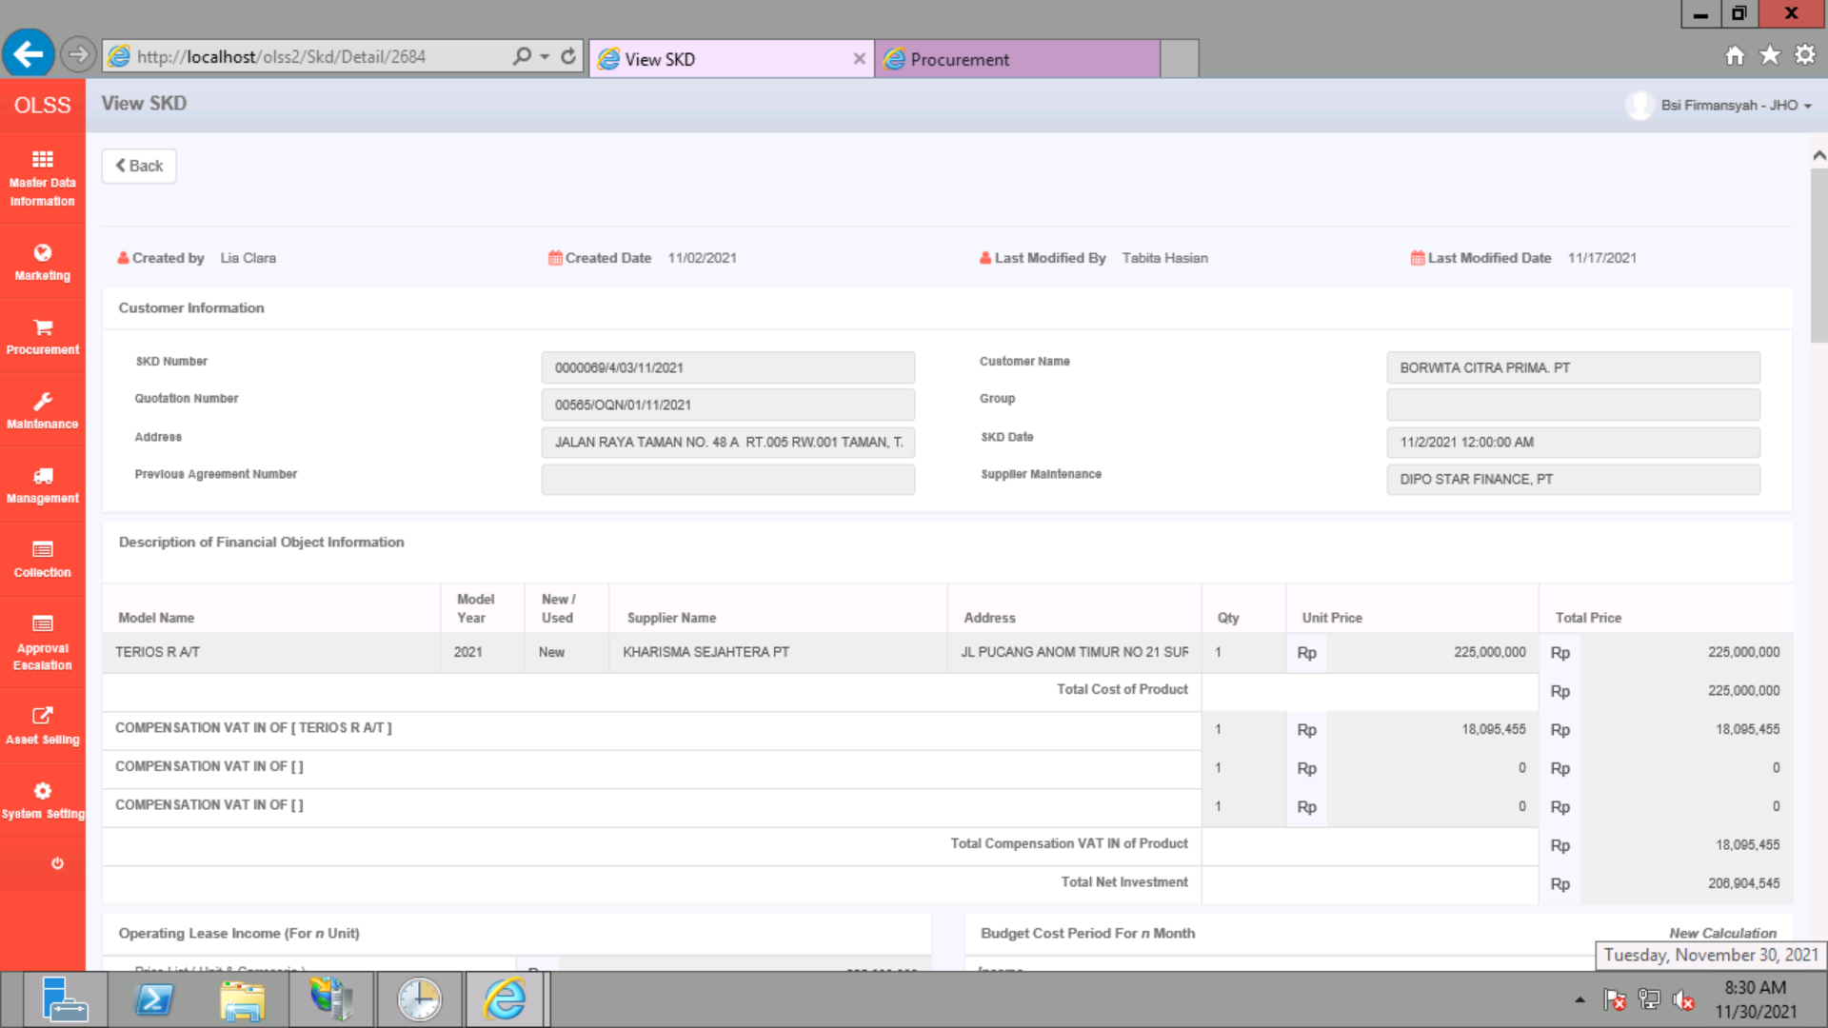
BEFORE
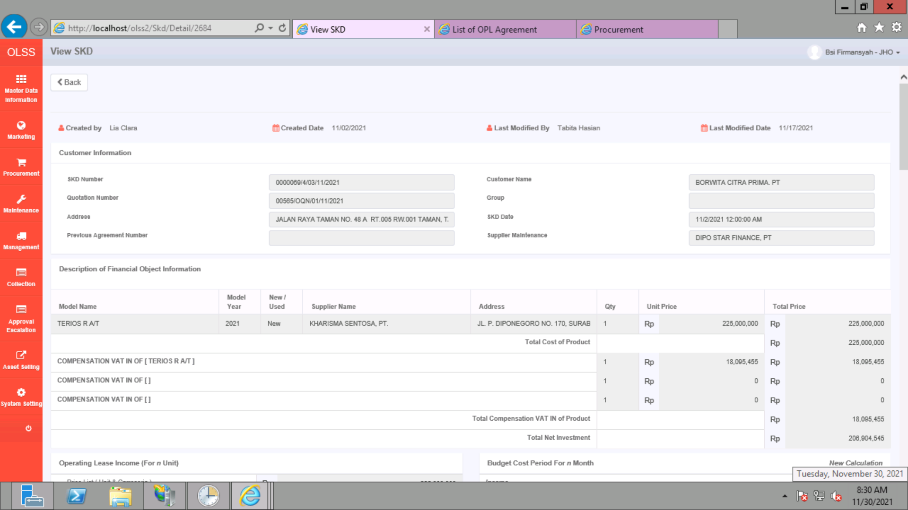

AFTER

